WAP
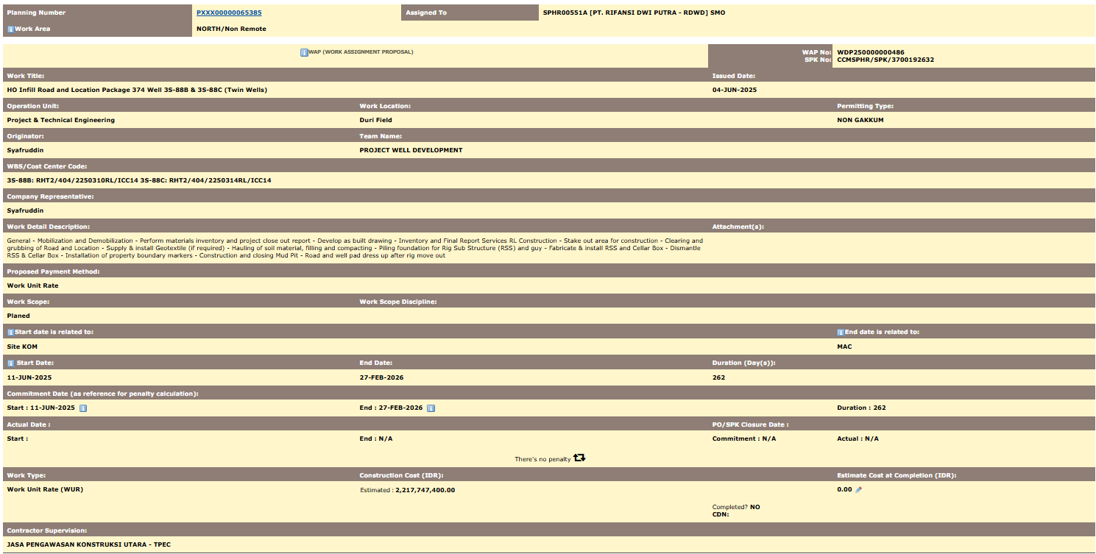
Planning Number | PXXX00000065385 | Assigned To | SPHR00551A [PT. RIFANSI DWI PUTRA - RDWD] SMO
Work Area | NORTH/Non Remote

WAP (WORK ASSIGNMENT PROPOSAL) |  |  |  | WAP No: | WDP250000000486
 |  |  |  | SPK No: | CCMSPHR/SPK/3700192632
Work Title: |  |  |  | Issued Date:
HO Infill Road and Location Package 374 Well 3S-88B & 3S-88C (Twin Wells) |  |  |  | 4-Jun-25
Operation Unit: | Work Location: |  |  |  | Permitting Type:
Project & Technical Engineering | Duri Field |  |  |  | NON GAKKUM
Originator: | Team Name:
Syafruddin | PROJECT WELL DEVELOPMENT
WBS/Cost Center Code:
3S-88B: RHT2/404/2250310RL/ICC14 3S-88C: RHT2/404/2250314RL/ICC14
Company Representative:
Syafruddin
Work Detail Description: |  |  |  | Attachment(s):
General - Mobilization and Demobilization - Perform materials inventory and project close out report - Develop as built drawing - Inventory and Final Report Services RL Construction - Stake out area for construction - Clearing and grubbing of Road and Location - Supply & install Geotextile (if required) - Hauling of soil material, filling and compacting - Piling foundation for Rig Sub Structure (RSS) and guy - Fabricate & install RSS and Cellar Box - Dismantle RSS & Cellar Box - Installation of property boundary markers - Construction and closing Mud Pit - Road and well pad dress up after rig move out
Proposed Payment Method:
Work Unit Rate
Work Scope: | Work Scope Discipline:
Planed
Start date is related to: |  |  |  |  | End date is related to:
Site KOM |  |  |  |  | MAC
Start Date: | End Date: |  |  | Duration (Day(s)):
11-Jun-25 | 27-Feb-26 |  |  | 262
Commitment Date (as reference for penalty calculation):
Start : 11-JUN-2025 | End : 27-FEB-2026 |  |  |  | Duration : 262
Actual Date : |  |  |  | PO/SPK Closure Date :
Start : | End : N/A |  |  | Commitment : N/A | Actual : N/A
There's no penalty
Work Type: | Construction Cost (IDR): |  |  |  | Estimate Cost at Completion (IDR):
Work Unit Rate (WUR) | Estimated | : | 2,217,747,400.00 |  | 0.00
 |  |  |  | Completed? NO
 |  |  |  | CDN:
Contractor Supervision:
JASA PENGAWASAN KONSTRUKSI UTARA - TPEC

BOQ
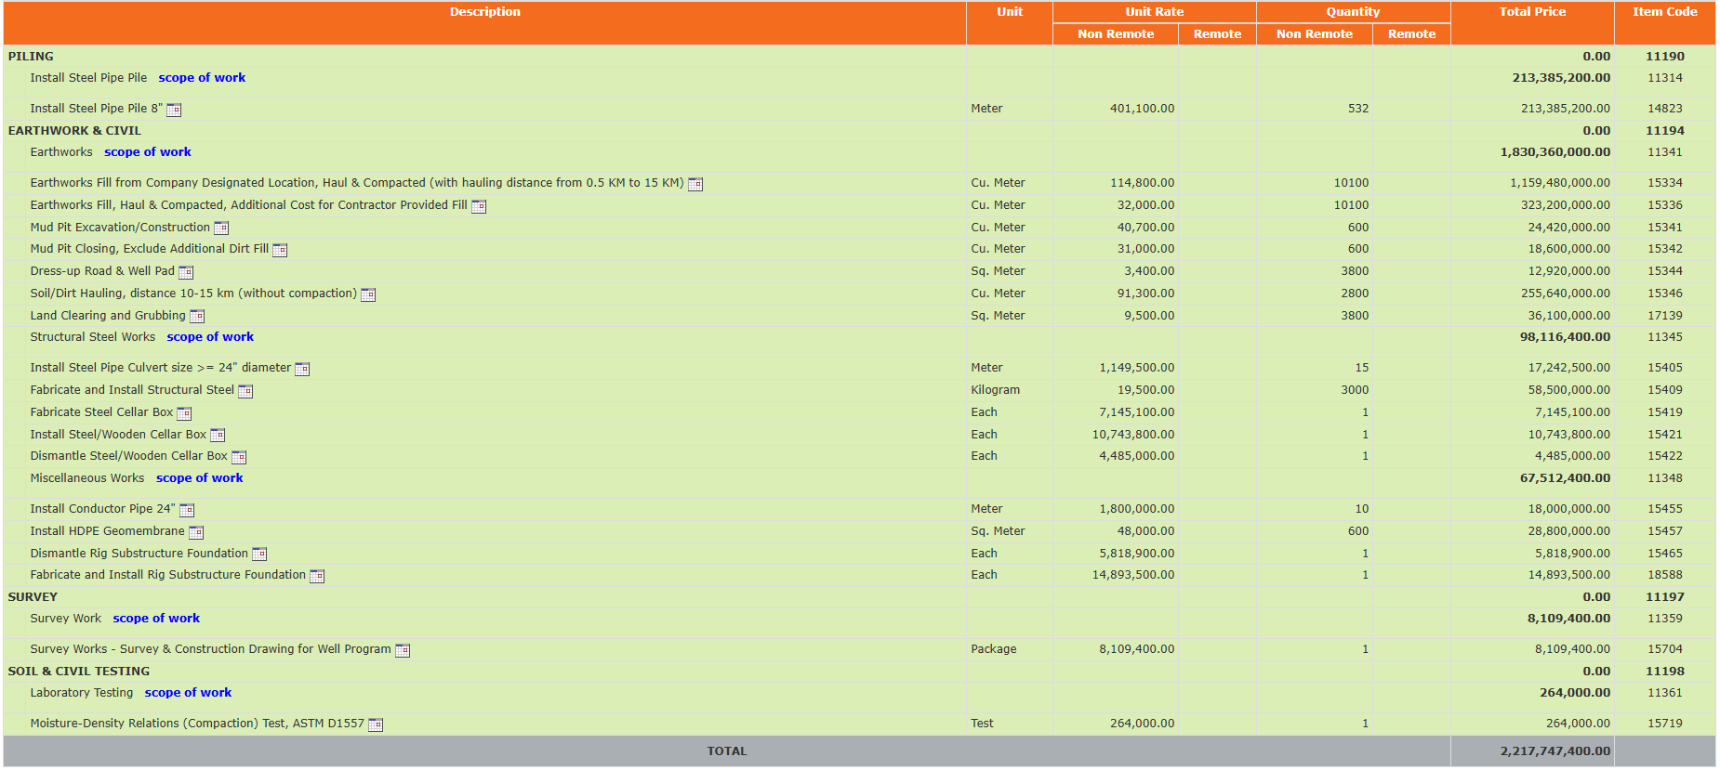
Description |  |  | Unit | Unit Rate |  | Quantity |  | Total Price
 |  |  |  | Non Remote | Remote | Non Remote | Remote
PILING |  |  |  |  |  |  |  | 0.00
 | Install Steel Pipe Pile scope of work |  |  |  |  |  |  | 213,385,200.00
 |  | Install Steel Pipe Pile 8" | Meter | 401,100.00 |  | 532 |  | 213,385,200.00
EARTHWORK & CIVIL |  |  |  |  |  |  |  | 0.00
 | Earthworks scope of work |  |  |  |  |  |  | 1,830,360,000.00
 |  | Earthworks Fill from Company Designated Location, Haul & Compacted (with hauling distance from 0.5 KM to 15 KM) | Cu. Meter | 114,800.00 |  | 10100 |  | 1,159,480,000.00
 |  | Earthworks Fill, Haul & Compacted, Additional Cost for Contractor Provided Fill | Cu. Meter | 32,000.00 |  | 10100 |  | 323,200,000.00
 |  | Mud Pit Excavation/Construction | Cu. Meter | 40,700.00 |  | 600 |  | 24,420,000.00
 |  | Mud Pit Closing, Exclude Additional Dirt Fill | Cu. Meter | 31,000.00 |  | 600 |  | 18,600,000.00
 |  | Dress-up Road & Well Pad | Sq. Meter | 3,400.00 |  | 3800 |  | 12,920,000.00
 |  | Soil/Dirt Hauling, distance 10-15 km (without compaction) | Cu. Meter | 91,300.00 |  | 2800 |  | 255,640,000.00
 |  | Land Clearing and Grubbing | Sq. Meter | 9,500.00 |  | 3800 |  | 36,100,000.00
 | Structural Steel Works scope of work |  |  |  |  |  |  | 98,116,400.00
 |  | Install Steel Pipe Culvert size >= 24" diameter | Meter | 1,149,500.00 |  | 15 |  | 17,242,500.00
 |  | Fabricate and Install Structural Steel | Kilogram | 19,500.00 |  | 3000 |  | 58,500,000.00
 |  | Fabricate Steel Cellar Box | Each | 7,145,100.00 |  | 1 |  | 7,145,100.00
 |  | Install Steel/Wooden Cellar Box | Each | 10,743,800.00 |  | 1 |  | 10,743,800.00
 |  | Dismantle Steel/Wooden Cellar Box | Each | 4,485,000.00 |  | 1 |  | 4,485,000.00
 | Miscellaneous Works scope of work |  |  |  |  |  |  | 67,512,400.00
 |  | Install Conductor Pipe 24" | Meter | 1,800,000.00 |  | 10 |  | 18,000,000.00
 |  | Install HDPE Geomembrane | Sq. Meter | 48,000.00 |  | 600 |  | 28,800,000.00
 |  | Dismantle Rig Substructure Foundation | Each | 5,818,900.00 |  | 1 |  | 5,818,900.00
 |  | Fabricate and Install Rig Substructure Foundation | Each | 14,893,500.00 |  | 1 |  | 14,893,500.00
SURVEY |  |  |  |  |  |  |  | 0.00
 | Survey Work scope of work |  |  |  |  |  |  | 8,109,400.00
 |  | Survey Works - Survey & Construction Drawing for Well Program | Package | 8,109,400.00 |  | 1 |  | 8,109,400.00
SOIL & CIVIL TESTING |  |  |  |  |  |  |  | 0.00
 | Laboratory Testing scope of work |  |  |  |  |  |  | 264,000.00
 |  | Moisture-Density Relations (Compaction) Test, ASTM D1557 | Test | 264,000.00 |  | 1 |  | 264,000.00
TOTAL |  |  |  |  |  |  |  | 2,217,747,400.00

